Sheet1
UIF CLAIM PROCESS FLOW

STEP 1: COMPLETION OF THE RELEVANT DOCUMENTS, AS FOLLOWS:

RESPONSIBILITY: The Employer |  | RESPONSIBILITY: The Temporary and or Contract Worker (Assignee)
(Employer = 'Indgro Outsourcing (PTY) Ltd. trading as Indgro Multi Services Group™')

 | UI19 |  | UI2.8 (Bank Form completed by the Assignee or Employee's bank)
 |  |  | Certified copy of ID
 | UI2.1

 | UI2.7

 | Letter of suspension (Indgro 218)

STEP 2: SUBMIT ALL THE DOCUMENTS ABOVE TO THE RELEVANT INDGRO REPRESENTATIVE BELOW FOR THE REGION, AS INDICATED:

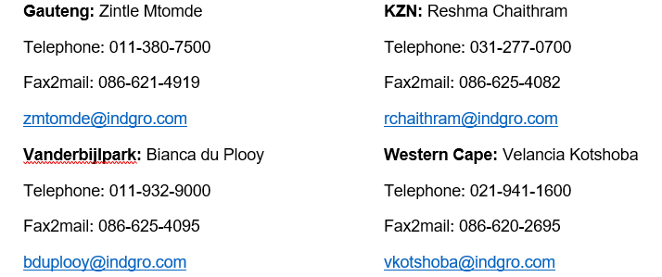
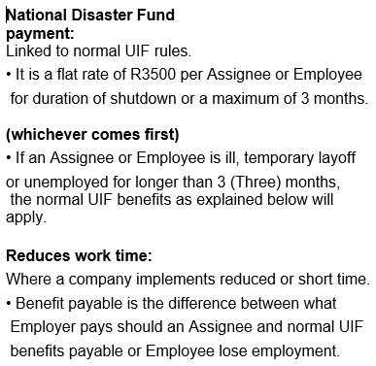
 |  |  |  | 

STEP 3: SUBMIT DOCUMENTS (AS SINGLE PACKS BY ASSIGNEE OR EMPLOYEE) AS PER POINT 1, AS RECEIVED IN POINT 2 TO UIF AS INDICATED BELOW:

* Indgro: Indgro Outsourcing (Pty) Ltd Trading as Indgro Multi Services Group™ (The Company)
* Assignee(s): Temporary and or Contract Employee(s)
* Employees: Permanent Employees
INDGRO 218A - UIF CLAIM PROCSS FLOW - REV 0 - 27 MARCH 2020
This document was approved for the QMS of Indgro and may be used for 30 days after date of print, being:
2020-03-30

